Single Output
Calculation tool for fixed frequency flyback converter using Gen5 CoolSET™ (Version 1.1)

Project:
Application:
CoolSET: |  | ICE5AR4780BZS
Date:
Revision:

Notes:
Enter design variables in yellow coloured cells
Read design results in green coloured cells
Select component values based on standard values available
Voltage/current rating does not include design margin, voltage spikes and transient currents.
In the "Output regulation", only fill-in either isolated or non-isolated whichever is applicable.
 |  | Description | Eq. # | Parameter | Unit | Value
Input, output, CoolSET™ Specs
 | Line input
 | Input | Minimum AC input voltage |  | VACMin | [V] | 85
 | Input | Maximum AC input voltage |  | VACMax | [V] | 330
 | Input | Line frequency |  | fAC | [Hz] | 60
 | Input | Bus capacitor DC ripple voltage |  | VDCRipple | [V] | 27

 | Output 1 Specs
 | Input | Output voltage 1 |  | VOut1 | [V] | 15
 | Input | Output current 1 |  | IOut1 | [A] | 0.96
 | Input | Forward voltage of output diode 1 |  | VFOut1 | [V] | 0.6
 | Input | Output ripple voltage 1 |  | VOutRipple1 | [V] | 0.2
 | result | Output power 1 |  | POut1 | [W] | 14.445

 | Auxiliary
 | Input | Vcc Voltage |  | VVcc | [V] | 14
 | Input | Forward voltage of Vcc diode(D2) |  | VF Vcc | [V] | 0.6

 | Power
 | Input | Efficency |  | η |  | 0.83
 | result | Nominal output power |  | POutNom | [W] | 14.45
 | Input | Maximum output power for overload protection |  | POutMax | [W] | 17
 | result | Maximum input power for overload protection |  | PInMax | [W] | 20.48
 | Input | Minimum output power |  | POutMin | [W] | 2

 | Controller/CoolSET™
 |  | Controller/ CoolSETTM |  |  |  | ICE5AR4780BZS
 | Input | Switching frequency |  | fS | [Hz] | 100000
 | Input | Targeted Max. Drain Source voltage |  | VDSMax | [V] | 700
 | Input | Max. ambient temperature |  | Tamax | [°C] | 50

Diode bridge and input capacitor
 | Diode bridge
 | Input | Power factor |  | cosϕ |  | 0.6
 | result | Maximum AC input current |  | IACRMS | [A] | 0.402
 | result | Peak voltage at VACMax |  | VDCMaxPk | [V] | 466.69

 | Input capacitor
 | result | Peak voltage at VACMin |  | VDCMinPk | [V] | 120.21
 | result | Selected minimum DC input voltage |  | VDCMinSet | [V] | 93.21
 | result | Discharging time at each half-line cycle |  | TD | [ms] | 6.52
 | result | Required energy at discharging time of input capacitor |  | WIn | [Ws] | 0.13
 | result | Calculated input capacitor |  | CINCal | [uF] | 46.35
 | Input | Select input capacitor (C1) |  | Cin | [uF] | 47
 | result | Calculated minimum DC input voltage |  | VDCMin | [V] | 93.63

Transformer design
 | Drain voltage and current waveform
 | 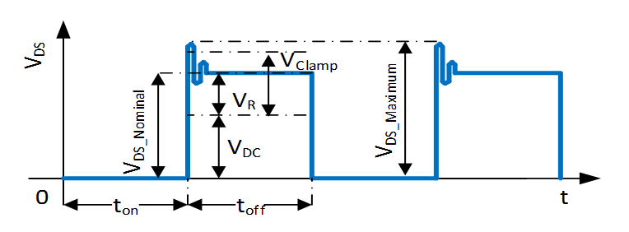
 | 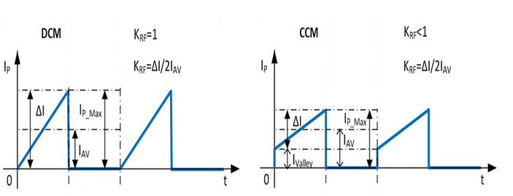

 | Primary inductance and winding currents
 | Input | Reflection voltage |  | VRSET | [V] | 97.5
 | result | Maximum duty cycle |  | DMax |  | 0.51
 | Input | Select current ripple factor |  | KRF |  | 1
 | result | Primary inductance |  | LP | [H] | 5.57E-04
 | result | Primary turn-on average current |  | IAV | [A] | 0.43
 | result | Primary peak-to-peak current |  | ΔI | [A] | 0.86
 | result | Primary peak current |  | IPMax | [A] | 0.86
 | result | Primary valley current |  | IValley | [A] | 0.00
 | result | Primary RMS current |  | IPRMS | [A] | 0.354

 | Select core type
 | Input | Select core type |  |  |  | 1 |  | 1 | 2 | 3 | 4 | 5 | 6 | 7 | 8 | 9 | 10
 | result | Core Type |  |  |  | EE20/10/6 | Core Type | EE20/10/6 | E25/13/7 | E30/15/7 | E32/16/9 | E36/18/11 | E42/21/15 | ETD29/16/10 | ER28/14 | ER28/17
 | result | Core Material |  |  |  | TP4A(TDG) | Core Material | TP4A(TDG) | N87 | TP4A(TDG) | N87 | N87 | N87 | N87 | TP4A(TDG) | TP4A(TDG)
 | result | Maximum flux density |  | BMax | [T] | 0.2 | Bmax | 0.2 | 0.2 | 0.25 | 0.2 | 0.2 | 0.2 | 0.2 | 0.2 | 0.2
 | result | Cross sectional area |  | Ae | [mm²] | 32 | Ae | 32 | 52 | 59 | 83 | 120 | 178 | 76 | 82.1 | 81.4
 | result | Bobbin width |  | BW | [mm] | 11 | BW | 11 | 15.6 | 17.3 | 20.1 | 21.5 | 26.3 | 21 | 16 | 21.69
 | result | Winding cross section |  | AN | [mm2] | 34 | AN | 34 | 61 | 90 | 108.5 | 122.5 | 177 | 97 | 68.8 | 95.21
 | result | Average length of turn |  | lN | [mm] | 41.2 | lN | 41.2 | 50 | 56 | 64.4 | 76.4 | 87 | 52.8 | 50 | 48.9

 | Winding calculation
 | result | Calculated minimum number of primary turns |  | NPCal | turns | 74.63
 | Input | Select number of primary turns |  | NP | turns | 78
 | result | Calculated number of secondary 1 turns |  | NS1Cal | turns | 12.48
 | Input | Select number of secondary 1 turns |  | NS1 | turns | 12
 | result | Calculated number of auxiliary turns |  | NVccCal | turns | 11.23
 | Input | Select number of auxiliary turns |  | NVcc | turns | 11
 | result | Calculated VCC voltage |  | VVccCal | [V] | 13.70

 | Post calculation
 | result | Primary to secondary 1 turns ratio |  | NPS1 |  | 6.50
 | result | Post calculated reflected voltage |  | VRPost | [V] | 101.40
 | result | Post calculated maximum duty cycle |  | DMaxPost |  | 0.52
 | result | Duty cycle prime |  | DMax' |  | 0.47
 | result | Actual flux density |  | BMaxAct | [T] | 0.191
 | result | Maximum DC input voltage for CCM operation |  | VDCmaxCCM | [V] | 90.30

 | Transformer winding design
 | Input | Margin according to safety standard |  | M | [mm] | 0
 | Input | Copper space factor |  | fCu |  | 0.4
 | result | Effective bobbin window |  | BWE | [mm] | 11.0
 | result | Effective winding cross section |  | ANe | [mm²] | 34.0
 | Input | Primary winding area factor |  | AFNP |  | 0.50
 | Input | Secondary 1 winding area factor |  | AFNS1 |  | 0.45
 | Input | Auxiliary winding area factor |  | AFNVcc |  | 0.05

 | Primary winding
 | result | Calculated wire copper cross sectional area |  | APCal | [mm²] | 0.0872
 | result | Calculated maximum wire size |  | AWGPCal |  | 28
 | Input | Select wire size |  | AWGP |  | 30
 | Input | Select number of parallel wire |  | nwP |  | 1
 | result | Wire copper diameter |  | dP | [mm] | 0.26
 | result | Wire copper cross sectional area |  | AP | [mm2] | 0.0517
 | result | Wire current density |  | SP | [A/mm2] | 6.84
 | Input | Insulation thickness |  | INSP | [mm] | 0.01
 | result | Turns per layer |  | NLP | turns/layer | 39
 | result | Number of layers |  | LnP | layers | 2

 | Secondary 1 winding
 | result | Calculated wire copper cross sectional area |  | ANS1Cal | [mm²] | 0.5100
 | result | Calculated maximum wire size |  | AWGS1Cal |  | 20
 | Input | Select wire size |  | AWGS1 |  | 25
 | Input | Select number of parallel wire |  | nwS1 |  | 2
 | result | Wire copper diameter |  | dS1 | [mm] | 0.4572
 | result | Wire copper cross sectional area |  | AS1 | [mm2] | 0.3283
 | result | Peak current |  | IS1Max | [A] | 5.5747
 | result | RMS current |  | IS1RMS | [A] | 2.2090
 | result | Wire current density |  | SS1 | [A/mm2] | 6.73
 | Input | Insulation thickness |  | INSS1 | [mm] | 0.01
 | result | Turns per layer |  | NLS1 | turns/layer | 11
 | result | Number of layers |  | LnS1 | layers | 2

RCD clamper and current sense resistor
 | RCD clamper circuit
 | Input | Leakage inductance percentage |  | LLK% | [%] | 2.5
 | result | Leakage inductance |  | LLK | [H] | 1.39E-05
 | result | Clamping voltage |  | VClamp | [V] | 131.91
 | result | Calculated clamping capacitor |  | CClampCal | [nF] | 0.33
 | Input | Select clamping capacitor value (C2) |  | Cclamp | [nF] | 1
 | result | Calculated clamping resistor |  | RclampCal | [kΩ] | 86.2
 | Input | Select clamping resistor value (R4) |  | Rclamp | [kΩ] | 68

 | Current sense resistor
 | Input | Current sense threshold value from datasheet |  | VCS_N | [V] | 0.8
 | result | Calculated current sense resistor (R8A, R8B) |  | Rsense | [Ω] | 0.93

Ouput rectifier
 | Secondary 1 Output rectifier
 | result | Diode reverse voltage |  | VRDiode1 | [V] | 86.80
 | result | Diode RMS current |  | IS 1RMS | [A] | 2.21
 | Input | Max voltage undershoot at output capacitor |  | ΔVOut1 | [V] | 0.3
 | Input | Number of clock periods |  | ncp1 |  | 20
 | result | Output capacitor ripple current |  | IRipple1 | [A] | 1.99
 | result | Calculated minimum output capacitor |  | COut1Cal | [uF] | 642
 | Input | Select output capacitor value (C152) |  | COut1 | [uF] | 680
 | Input | ESR (Zmax) value from datasheet @ 100kHz |  | RESR1 | [Ω] | 0.032
 | Input | Number of parallel capacitors |  | ncCOut1 |  | 1
 | result | Zero frequency of output capacitor |  | fZCOut1 | [Khz] | 7.31
 | result | First stage ripple voltage |  | VRipple1 | [V] | 0.178389
 | Input | Select LC filter inductor value (L151) |  | Lout1 | [uH] | 2.2
 | result | Calculated LC filter capacitor |  | CLCCal1 | [uF] | 215.2
 | Input | Select LC filter capacitor value (C153) |  | CLC1 | [uF] | 680
 | result | LC filter frequency |  | fLC1 | [Khz] | 4.11
 | result | Second stage ripple voltage |  | V2ndRipple1 | [mV] | 0.30

Vcc diode and capacitor
 | Vcc diode and capacitor
 | result | Auxiliary diode reverse voltage (D2) |  | VRDiodeVCC | [V] | 79.52
 | Input | Soft-start time from datasheet |  | tss | [ms] | 12
 | Input | IVCC,normal2 from datasheet |  | IVCC_normal2 | [mA] | 3
 | Input | VCC on threshold |  | VVCC_ON | [V] | 16
 | Input | VCC off threshold |  | VVCC_OFF | [V] | 10
 | result | Calculated VCC capacitor |  | CVCCCal | [uF] | 6.00
 | Input | Select Vcc capacitor (C3) |  | CVCC | [uF] | 22
 | Input | VCC short threshold from datasheet |  | VVCC_SCP | [V] | 1.1
 | Input | IVCC_Charge1 from datasheet |  | IVCC_Charge1 | [mA] | 0.2
 | result | Start up time |  | tStartUp | [ms] | 230.267

Calculation of losses
 | Input diode bridge
 | Input | Diode bridge forward voltage |  | VFBR | [V] | 1
 | result | Diode bridge power loss |  | PDIN | [W] | 0.80

 | Transformer copper
 | result | Primary winding copper resistance |  | RPCu | [mΩ] | 1068.46
 | result | Secondary 1 winding copper resistance |  | RS1Cu | [mΩ] | 25.90
 | result | Primary winding copper loss |  | PPCu | [mW] | 133.63
 | result | Secondary 1 winding copper loss |  | PS1Cu | [mW] | 126.38
 | result | Total transformer copper loss |  | PCu | [W] | 0.2600

 | Output rectifier diode
 | result | Secondary 1 diode loss |  | PDiode1 | [W] | 1.33

 | RCD clamper circuit
 | result | RCD clamper loss |  | PClamper | [W] | 0.91

 | Current sense resistor
 | result | Current sense resistor loss |  | PCS | [W] | 0.12

 | MOSFET
 | Input | RDSON from datasheet |  | RDSON @ TA=125°C | [Ω] | 8.69
 | Input | Co(er) from datasheet |  | Co(er) | [pF] | 3
 | Input | External drain to source capacitance |  | CDS | [pF] | 0
 | result | Switch on loss at minimum AC input voltage |  | PSONMinAC | [W] | 0.0057
 | result | Conduction loss at minimum AC input voltage |  | PcondMinAC | [W] | 1.0869
 | result | Total MOSFET loss at minimum AC input voltage |  | PMOSMinAC | [W] | 1.0926
 | result | Switch on loss at maximum AC input voltage |  | PSONMaxAC | [W] | 0.0484
 | result | Conduction loss at maximum AC input voltage |  | PcondMaxAC | [W] | 0.2181
 | result | Total MOSFET loss at maximum AC input voltage |  | PMOSMaxAC | [W] | 0.2665
 | result | Total MOSFET loss (from minimum or maximum AC) |  | PMOS | [W] | 1.0926

 | Controller
 | Input | Controller current consumption |  | IVCC_Normal | [mA] | 0.9
 | result | Controller loss |  | PCtrl | [W] | 0.0123

 | Efficiency after Losses
 | result | Total power loss |  | PLosses | [W] | 4.52
 | result | Post calculated efficiency |  | ηPost | % | 79.01%

CoolSET™/MOSFET temperature
 | CoolSET™/MOSFET temperature
 | Input | Enter thermal resistance junction-ambient (include copper pour) |  | RthJA_As | [°K/W] | 65.0
 | result | Temperature rise |  | ΔT | [°K] | 71.0
 | result | Junction temperature at Tamax |  | Tjmax | °C | 121.0

Line OVP
 | Line OVP
 | Input | Select AC input LOVP |  | VOVP_AC | [VAC]
 | Input | High side DC input voltage divider resistor |  | RI1 | [MΩ]
 | Input | Controller LOVP threshold |  | VVIN_LOVP | [V] | 2.85
 | result | Low side DC input voltage divider resistor | Eq 109 | RI2Cal | [kΩ] | 0.00
 | Input | Select low side DC input voltage divider resistor |  | RI2 | [kΩ]
 | result | Post calculated LOVP | Eq 110 | VOVP_ACPost | [VAC] | #DIV/0!

Output regulation (isolated using TL431 and optocoupler)
 | Isolated feedback circuit
 | 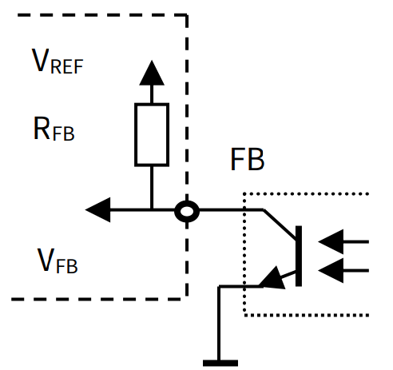 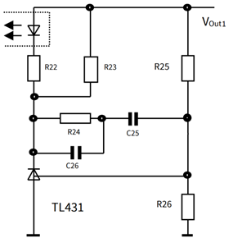

 | Output regulation
 | Input | TL431 reference voltage |  | VREF_TL | [V] | 2.5
 | Input | Current for voltage divider resistor R26 |  | IR26 | [mA] | 0.25
 | result | Calculated voltage divider resistor |  | R26Cal | [kΩ] | 10
 | Input | Selec voltage divider resistor value |  | R26 | [kΩ] | 10
 | result | Calculated voltage divider resistor |  | R25Cal | [kΩ] | 50.00
 | Input | Selec voltage divider resistor value |  | R25 | [kΩ] | 50.0

 | Optocoupler and TL431 bias
 | Input | Current transfer ratio (CTR) |  | GC | [%] | 200%
 | Input | Optocoupler diode forward voltage |  | VFOpto | [V] | 1.25
 | Input | Maximum current for optocoupler diode |  | IFmax | [mA] | 50
 | Input | Minimum current for TL431 |  | IKAmin | [mA] | 1
 | result | Calculated minimum optocoupler bias resistance |  | R22Cal | [kΩ] | 0.2250
 | Input | Select optocoupler bias resistor |  | R22 | [kΩ] | 0.82
 | Input | FB pull up reference voltage VREF from datasheet |  | VREF | [V] | 3.3
 | Input | VFB_OLP from datasheet |  | VFB_OLP | [V] | 2.75
 | Input | RFB from datasheet |  | RFB | [kΩ] | 15
 | result | Calculated maximum TL431 bias resistance |  | R23Cal | [kΩ] | 1.27
 | Input | selected TL431 bias resistor |  | R23 | [kΩ] | 1.2

 | Regulation loop
 | result | Feedback transfer characteristic |  | KFB |  | 36.59
 | result | Gain of feedback transfer characteristic |  | GFB | [db] | 31.27
 | result | Voltage divider transfer characteristic |  | KVD |  | 0.166667
 | result | Gain of voltage divider transfer characteristic |  | GVD | [db] | -15.56
 | result | Resistance at maximum load pole |  | RLH | [Ω] | 13.24
 | result | Resistance at minimum load pole |  | RLL | [Ω] | 112.50
 | result | Poles of power stage at maximum load pole |  | fOH | [Hz] | 35.37
 | result | Poles of power stage at minimum load pole |  | fOL | [Hz] | 4.16
 | result | Zero frequency of the compensation network |  | fOM | [Hz] | 12.13
 | Input | Zero dB crossover frequency |  | fg | [kHz] | 3
 | Input | PWM-OP Gain from datasheet |  | AV |  | 2.03
 | result | Transient impedance |  | ZPWM | [V/A] | 2.4
 | result | Power stage at crossover frequency |  | |FPWR(fg)| |  | 0.087
 | result | Gain of power stage at crossover frequency |  | GPWR(fg) | [db] | -21.20
 | result | Gain of the regulation loop at fg |  | Gs(ω) | [db] | -5.496
 | result | Separated components of the regulator |  | Gr(ω) | [db] | 5.496
 | result | Calculated resistance value of compensation network |  | R24Cal | [kΩ] | 15.69
 | Input | Select resistor value of compesation network |  | R24 | [kΩ] | 16
 | result | Calculated capacitance value of compensation network |  | C26Cal | [nF] | 3.316
 | Input | Select capacitor value of compesation network |  | C26 | [nF] | 3.3
 | result | Calculated capacitance value of compensation network |  | C25Cal | [nF] | 816.68
 | Input | Select capacitor value of compesation network |  | C25 | [nF] | 820

Output regulation (non-isolated)
 | Non-isolated feedback circuit on VERR pin
 | 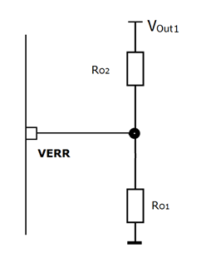

 | Output regulation
 | Input | Error amplifier reference voltage |  | VERR_REF | [V] | 1.8
 | Input | Select voltage divider RO1 (R11) |  | RO1 | [kΩ] | 39
 | result | Calculated voltage divider RO2 |  | RO2Cal | [kΩ] | 286.00
 | Input | Select voltage divider RO2 (R153) |  | RO2 | [kΩ] | 286.0

Final Design
 | Electrical
 |  | Minimum AC Voltage |  |  | [V] | 85
 |  | Maximum AC Voltage |  |  | [V] | 330
 |  | Maximum Input Current |  |  | [A] | 0.24
 |  | Minimum DC Voltage |  |  | [V] | 94
 |  | Maximum DC Voltage |  |  | [V] | 467
 |  | Maximum Output Power |  |  | [W] | 17.0
 |  | Output Voltage 1 |  |  | [V] | 15.0
 |  | Output Ripple Voltage 1 |  |  | [mV] | 0.3
 |  | Transformer Peak Current |  |  | [A] | 0.86
 |  | Maximum Duty Cycle |  |  |  | 0.52
 |  | Reflected Voltage |  |  | [V] | 101
 |  | Copper Losses |  |  | [W] | 0.26
 |  | MOSFET Losses |  |  | [W] | 1.09
 |  | Sum Losses |  |  | [W] | 4.52
 |  | Efficiency |  |  | [%] | 79.01%

 | Transformer
 |  | Core Type |  |  |  | EE20/10/6
 |  | Core Material |  |  |  | TP4A(TDG)
 |  | Effective Core Area |  |  | [mm2] | 32
 |  | Maximum Flux Density |  |  | [mT] | 191
 |  | Inductance |  |  | [uH] | 557
 |  | Margin |  |  | [mm] | 0
 |  | Primary Turns |  |  | turns | 78
 |  | Primary Copper Wire Size |  |  | AWG | 30
 |  | Number of Primary Copper Wire in Parallel |  |  |  | 1
 |  | Primary Layers |  |  | layer | 2
 |  | Secondary 1 Turns(NS1) |  |  | turns | 12
 |  | Secondary 1 Copper Wire Size |  |  | AWG | 25
 |  | Number of Secondary 1 Copper Wire in Parallel |  |  |  | 2
 |  | Secondary 1 Layers |  |  | layer | 2
 |  | Auxiliary Turns |  |  | turns | 11
 |  | Leakage Inductance |  |  | [uH] | 13.9

 | Components
 |  | Input Capacitor (C1) |  |  | [uF] | 47.0
 |  | Secondary 1 Output Capacitor (C152) |  |  | [uF] | 680.0
 |  | Secondary 1 Output Capacitor in Parallel |  |  |  | 1.0
 |  | Secondary 1 LC Filter Inductor (L151) |  |  | [uH] | 2.2
 |  | Secondary 1 LC Filter Capacitor (C153) |  |  | [uF] | 680.0
 |  | VCC Capacitor (C3) |  |  | [uF] | 22.0
 |  | Sense Resistor (R8A, R8B) |  |  | [Ω] | 0.93
 |  | Clamping Resistor (R4) |  |  | [kΩ] | 68.0
 |  | Clamping Capacitor (C2) |  |  | [nF] | 1

 | Regulation components (isolated using TL431 and optocoupler)
 |  | Voltage divider |  | R26 | [kΩ] | 10.0
 |  | Voltage divider (Vout1 sense) |  | R25 | [kΩ] | 50.0
 |  | Optocoupler bias resistor |  | R22 | [kΩ] | 0.82
 |  | TL431 bias resistor |  | R23 | [kΩ] | 1.2
 |  | Compensation network resistor |  | R24 | [kΩ] | 16.0
 |  | Compensation network capacitor |  | C26 | [nF] | 3.30
 |  | Compensation network capacitor |  | C25 | [nF] | 820.0

 | Regulation components (non-isolated)
 |  | Voltage divider (R11) |  | RO1 | [kΩ] | 39.0
 |  | Voltage divider (Vout1 sense) (R153) |  | RO2 | [kΩ] | 286.0

Dual Output
Calculation tool for fixed frequency flyback converter using Gen5 CoolSET™ (Version 1.1)

Project:
Application:
CoolSET: |  | ICE5AR4780BZS
Date:
Revision:

Notes:
Enter design variables in yellow coloured cells
Read design results in green coloured cells
Equation numbers are according to the Design Guide
Select component values based on standard values available
Voltage/current rating does not include design margin, voltage spikes and transient currents.
In the "Output regulation", only fill-in either isolated or non-isolated whichever is applicable.
 |  | Description | Eq. # | Parameter | Unit | Value
Input, output, CoolSET™ Specs
 | Line input
 | Input | Minimum AC input voltage |  | VACMin | [V] | 85
 | Input | Maximum AC input voltage |  | VACMax | [V] | 330
 | Input | Line frequency |  | fAC | [Hz] | 60
 | Input | Bus capacitor DC ripple voltage |  | VDCRipple | [V] | 27

 | Output 1 Specs
 | Input | Output voltage 1 |  | VOut1 | [V] | 15
 | Input | Output current 1 |  | IOut1 | [A] | 0.83
 | Input | Forward voltage of output diode 1 |  | VFOut1 | [V] | 0.6
 | Input | Output ripple voltage 1 |  | VOutRipple1 | [V] | 0.2
 | result | Output power 1 | Eq 001 | POut1 | [W] | 12.45
 | result | Output load weight 1 | Eq 004 | KL1 |  | 0.86

 | Output 2 Specs
 | Input | Output voltage 2 |  | VOut2 | [V] | 5
 | Input | Output current 2 |  | IOut2 | [A] | 0.4
 | Input | Forward voltage of output diode 2 |  | VFOut2 | [V] | 0.2
 | Input | Output ripple voltage 2 |  | VOutRipple2 | [V] | 0.2
 | result | Output power 2 | Eq 002 | POut2 | [W] | 2
 | result | Output load weight 2 | Eq 005 | KL2 |  | 0.14

 | Auxiliary
 | Input | Vcc Voltage |  | VVcc | [V] | 14
 | Input | Forward voltage of Vcc diode(D2) |  | VF Vcc | [V] | 0.6

 | Power
 | Input | Efficency |  | η |  | 0.83
 | result | Nominal output power | Eq 003 | POutNom | [W] | 14.45
 | Input | Maximum output power for overload protection |  | POutMax | [W] | 17
 | result | Maximum input power for overload protection | Eq 006 | PInMax | [W] | 20.48
 | Input | Minimum output power |  | POutMin | [W] | 2

 | Controller/CoolSET™
 |  | Controller/ CoolSETTM |  |  |  | ICE5AR4780BZS
 | Input | Switching frequency |  | fS | [Hz] | 100000
 | Input | Targeted Max. Drain Source voltage |  | VDSMax | [V] | 700
 | Input | Max. ambient temperature |  | Tamax | [°C] | 50

Diode bridge and input capacitor
 | Diode bridge
 | Input | Power factor |  | cosϕ |  | 0.6
 | result | Maximum AC input current | Eq 007 | IACRMS | [A] | 0.402
 | result | Peak voltage at VACMax | Eq 008 | VDCMaxPk | [V] | 466.69

 | Input capacitor
 | result | Peak voltage at VACMin | Eq 009 | VDCMinPk | [V] | 120.21
 | result | Selected minimum DC input voltage | Eq 010 | VDCMinSet | [V] | 93.21
 | result | Discharging time at each half-line cycle | Eq 011 | TD | [ms] | 6.52
 | result | Required energy at discharging time of input capacitor | Eq 012 | WIn | [Ws] | 0.13
 | result | Calculated input capacitor | Eq 013 | CINCal | [uF] | 46.35
 | Input | Select input capacitor (C1) |  | Cin | [uF] | 47
 | result | Calculated minimum DC input voltage | Eq 015 | VDCMin | [V] | 93.63

Transformer design
 | Drain voltage and current waveform

 | Primary inductance and winding currents
 | Input | Reflection voltage |  | VRSET | [V] | 97.5
 | result | Maximum duty cycle | Eq 016 | DMax |  | 0.51
 | Input | Select current ripple factor |  | KRF |  | 1
 | result | Primary inductance | Eq 017 | LP | [H] | 5.57E-04
 | result | Primary turn-on average current | Eq 018 | IAV | [A] | 0.43
 | result | Primary peak-to-peak current | Eq 019 | ΔI | [A] | 0.86
 | result | Primary peak current | Eq 020 | IPMax | [A] | 0.86
 | result | Primary valley current | Eq 021 | IValley | [A] | 0.00
 | result | Primary RMS current | Eq 022 | IPRMS | [A] | 0.354

 | Select core type
 | Input | Select core type |  |  |  | 1 |  | 1 | 2 | 3 | 4 | 5 | 6 | 7 | 8 | 9 | 10
 | result | Core Type |  |  |  | EE20/10/6 | Core Type | EE20/10/6 | E25/13/7 | E30/15/7 | E32/16/9 | E36/18/11 | E42/21/15 | ETD29/16/10 | ER28/14 | ER28/17
 | result | Core Material |  |  |  | TP4A(TDG) | Core Material | TP4A(TDG) | N87 | TP4A(TDG) | N87 | N87 | N87 | N87 | TP4A(TDG) | TP4A(TDG)
 | result | Maximum flux density |  | BMax | [T] | 0.2 | Bmax | 0.2 | 0.2 | 0.25 | 0.2 | 0.2 | 0.2 | 0.2 | 0.2 | 0.2
 | result | Cross sectional area |  | Ae | [mm²] | 32 | Ae | 32 | 52 | 59 | 83 | 120 | 178 | 76 | 82.1 | 81.4
 | result | Bobbin width |  | BW | [mm] | 11 | BW | 11 | 15.6 | 17.3 | 20.1 | 21.5 | 26.3 | 21 | 16 | 21.69
 | result | Winding cross section |  | AN | [mm2] | 34 | AN | 34 | 61 | 90 | 108.5 | 122.5 | 177 | 97 | 68.8 | 95.21
 | result | Average length of turn |  | lN | [mm] | 41.2 | lN | 41.2 | 50 | 56 | 64.4 | 76.4 | 87 | 52.8 | 50 | 48.9

 | Winding calculation
 | result | Calculated minimum number of primary turns | Eq 023 | NPCal | turns | 74.63
 | Input | Select number of primary turns |  | NP | turns | 78
 | result | Calculated number of secondary 1 turns | Eq 024 | NS1Cal | turns | 12.48
 | Input | Select number of secondary 1 turns |  | NS1 | turns | 12
 | result | Calculated number of secondary 2 turns | Eq 025 | NS2Cal | turns | 4.16
 | Input | Select number of secondary 2 turns |  | NS2 | turns | 4
 | result | Calculated number of auxiliary turns | Eq 026 | NVccCal | turns | 11.23
 | Input | Select number of auxiliary turns |  | NVcc | turns | 11
 | result | Calculated VCC voltage | Eq 027 | VVccCal | [V] | 13.70

 | Post calculation
 | result | Primary to secondary 1 turns ratio | Eq 028 | NPS1 |  | 6.50
 | result | Primary to secondary 2 turns ratio | Eq 029 | NPS2 |  | 19.50
 | result | Post calculated reflected voltage | Eq 030 | VRPost | [V] | 101.40
 | result | Post calculated maximum duty cycle | Eq 031 | DMaxPost |  | 0.52
 | result | Duty cycle prime | Eq 032 | DMax' |  | 0.47
 | result | Actual flux density | Eq 033 | BMaxAct | [T] | 0.191
 | result | Maximum DC input voltage for CCM operation | Eq 034 | VDCmaxCCM | [V] | 90.30

 | Transformer winding design
 | Input | Margin according to safety standard |  | M | [mm] | 0
 | Input | Copper space factor |  | fCu |  | 0.4
 | result | Effective bobbin window | Eq 035 | BWE | [mm] | 11.0
 | result | Effective winding cross section | Eq 036 | ANe | [mm²] | 34.0
 | Input | Primary winding area factor |  | AFNP |  | 0.50
 | Input | Secondary 1 winding area factor |  | AFNS1 |  | 0.30
 | Input | Secondary 2 winding area factor |  | AFNS2 |  | 0.15
 | Input | Auxiliary winding area factor |  | AFNVcc |  | 0.05

 | Primary winding
 | result | Calculated wire copper cross sectional area | Eq 037 | APCal | [mm²] | 0.0872
 | result | Calculated maximum wire size | Eq 038 | AWGPCal |  | 28
 | Input | Select wire size |  | AWGP |  | 30
 | Input | Select number of parallel wire |  | nwP |  | 1
 | result | Wire copper diameter | Eq 039 | dP | [mm] | 0.26
 | result | Wire copper cross sectional area | Eq 040 | AP | [mm2] | 0.0517
 | result | Wire current density | Eq 041 | SP | [A/mm2] | 6.84
 | Input | Insulation thickness |  | INSP | [mm] | 0.01
 | result | Turns per layer | Eq 042 | NLP | turns/layer | 39
 | result | Number of layers | Eq 043 | LnP | layers | 2

 | Secondary 1 winding
 | result | Calculated wire copper cross sectional area | Eq 044 | ANS1Cal | [mm²] | 0.3400
 | result | Calculated maximum wire size | Eq 045 | AWGS1Cal |  | 22
 | Input | Select wire size |  | AWGS1 |  | 26
 | Input | Select number of parallel wire |  | nwS1 |  | 2
 | result | Wire copper diameter | Eq 046 | dS1 | [mm] | 0.4073
 | result | Wire copper cross sectional area | Eq 047 | AS1 | [mm2] | 0.2606
 | result | Peak current | Eq 048 | IS1Max | [A] | 4.8031
 | result | RMS current | Eq 049 | IS1RMS | [A] | 1.9032
 | result | Wire current density | Eq 050 | SS1 | [A/mm2] | 7.30
 | Input | Insulation thickness |  | INSS1 | [mm] | 0.01
 | result | Turns per layer | Eq 051 | NLS1 | turns/layer | 12
 | result | Number of layers | Eq 052 | LnS1 | layers | 1

 | Secondary 2 winding
 | result | Calculated wire copper cross sectional area | Eq 053 | ANS2Cal | [mm²] | 0.5100
 | result | Calculated maximum wire size | Eq 054 | AWGS2Cal |  | 20
 | Input | Select wire size |  | AWGS2 |  | 26
 | Input | Select number of parallel wire |  | nwS2 |  | 1
 | result | Wire copper diameter | Eq 055 | dS2 | [mm] | 0.4073
 | result | Wire copper cross sectional area | Eq 056 | AS2 | [mm2] | 0.1303
 | result | Peak current | Eq 057 | IS2Max | [A] | 2.3147
 | result | RMS current | Eq 058 | IS2RMS | [A] | 0.9172
 | result | Wire current density | Eq 059 | SS2 | [A/mm2] | 7.04
 | Input | Insulation thickness |  | INSS2 | [mm] | 0.01
 | result | Turns per layer | Eq 060 | NLS2 | turns/layer | 25
 | result | Number of layers | Eq 061 | LnS2 | layers | 1

RCD clamper and current sense resistor
 | RCD clamper circuit
 | Input | Leakage inductance percentage |  | LLK% | [%] | 2.5
 | result | Leakage inductance | Eq 062 | LLK | [H] | 1.39E-05
 | result | Clamping voltage | Eq 063 | VClamp | [V] | 131.91
 | result | Calculated clamping capacitor | Eq 064 | CClampCal | [nF] | 0.33
 | Input | Select clamping capacitor value (C2) |  | Cclamp | [nF] | 1
 | result | Calculated clamping resistor | Eq 065 | RclampCal | [kΩ] | 86.2
 | Input | Select clamping resistor value (R4) |  | Rclamp | [kΩ] | 68

 | Current sense resistor
 | Input | Current sense threshold value from datasheet |  | VCS_N | [V] | 0.8
 | result | Calculated current sense resistor (R8A, R8B) | Eq 066 | Rsense | [Ω] | 0.93

Ouput rectifier
 | Secondary 1 Output rectifier
 | result | Diode reverse voltage | Eq 067 | VRDiode1 | [V] | 86.80
 | result | Diode RMS current |  | IS 1RMS | [A] | 1.90
 | Input | Max voltage undershoot at output capacitor |  | ΔVOut1 | [V] | 0.3
 | Input | Number of clock periods |  | ncp1 |  | 20
 | result | Output capacitor ripple current | Eq 068 | IRipple1 | [A] | 1.71
 | result | Calculated minimum output capacitor | Eq 069 | COut1Cal | [uF] | 553
 | Input | Select output capacitor value (C152) |  | COut1 | [uF] | 680
 | Input | ESR (Zmax) value from datasheet @ 100kHz |  | RESR1 | [Ω] | 0.032
 | Input | Number of parallel capacitors |  | ncCOut1 |  | 1
 | result | Zero frequency of output capacitor | Eq 070 | fZCOut1 | [Khz] | 7.31
 | result | First stage ripple voltage | Eq 071 | VRipple1 | [V] | 0.153698
 | Input | Select LC filter inductor value (L151) |  | Lout1 | [uH] | 2.2
 | result | Calculated LC filter capacitor | Eq 072 | CLCCal1 | [uF] | 215.2
 | Input | Select LC filter capacitor value (C153) |  | CLC1 | [uF] | 680
 | result | LC filter frequency | Eq 073 | fLC1 | [Khz] | 4.11
 | result | Second stage ripple voltage | Eq 074 | V2ndRipple1 | [mV] | 0.26

 | Secondary 2 Output rectifier
 | result | Diode reverse voltage | Eq 075 | VRDiode2 | [V] | 28.93
 | result | Diode RMS current |  | IS2RMS | [A] | 0.92
 | Input | Max voltage undershoot at output capacitor |  | ΔVOut1 | [V] | 0.15
 | Input | Number of clock periods |  | ncp2 |  | 20
 | result | Output capacitor ripple current | Eq 076 | IRipple2 | [A] | 0.83
 | result | Calculated minimum output capacitor | Eq 077 | COut2Cal | [uF] | 533
 | Input | Select output capacitor value (C152) |  | COut2 | [uF] | 680
 | Input | ESR (Zmax) value from datasheet @ 100kHz |  | RESR2 | [Ω] | 0.032
 | Input | Number of parallel capacitors |  | ncCOut2 |  | 1
 | result | Zero frequency of output capacitor | Eq 078 | fZCOut2 | [Khz] | 7.31
 | result | First stage ripple voltage | Eq 079 | VRipple2 | [V] | 0.07
 | Input | Select LC filter inductor value (L151) |  | Lout | [uH] | 2.2
 | result | Calculated LC filter capacitor | Eq 080 | CLCCal2 | [uF] | 215.2
 | Input | Select LC filter capacitor value (C153) |  | CLC2 | [uF] | 330
 | result | LC filter frequency | Eq 081 | fLC2 | [Khz] | 5.91
 | result | Second stage ripple voltage | Eq 082 | V2ndRipple2 | [mV] | 0.26

Vcc diode and capacitor
 | Vcc diode and capacitor
 | result | Auxiliary diode reverse voltage (D2) | Eq 083 | VRDiodeVCC | [V] | 79.52
 | Input | Soft-start time from datasheet |  | tss | [ms] | 12
 | Input | IVCC,normal2 from datasheet |  | IVCC_normal2 | [mA] | 3
 | Input | VCC on threshold |  | VVCC_ON | [V] | 16
 | Input | VCC off threshold |  | VVCC_OFF | [V] | 10
 | result | Calculated VCC capacitor | Eq 084 | CVCCCal | [uF] | 6.00
 | Input | Select Vcc capacitor (C3) |  | CVCC | [uF] | 22
 | Input | VCC short threshold from datasheet |  | VVCC_SCP | [V] | 1.1
 | Input | IVCC_Charge1 from datasheet |  | IVCC_Charge1 | [mA] | 0.2
 | result | Start up time | Eq 085 | tStartUp | [ms] | 230.267

Calculation of losses
 | Input diode bridge
 | Input | Diode bridge forward voltage |  | VFBR | [V] | 1
 | result | Diode bridge power loss | Eq 086 | PDIN | [W] | 0.80

 | Transformer copper
 | result | Primary winding copper resistance | Eq 087 | RPCu | [mΩ] | 1068.46
 | result | Secondary 1 winding copper resistance | Eq 088 | RS1Cu | [mΩ] | 32.63
 | result | Secondary 2 winding copper resistance | Eq 089 | RS2Cu | [mΩ] | 21.75
 | result | Primary winding copper loss | Eq 090 | PPCu | [mW] | 133.63
 | result | Secondary 1 winding copper loss | Eq 091 | PS1Cu | [mW] | 118.19
 | result | Secondary 2 winding copper loss | Eq 092 | PS2Cu | [mW] | 18.30
 | result | Total transformer copper loss | Eq 093 | PCu | [W] | 0.2701

 | Output rectifier diode
 | result | Secondary 1 diode loss | Eq 094 | PDiode1 | [W] | 1.14
 | result | Secondary 2 diode loss | Eq 095 | PDiode2 | [W] | 0.18

 | RCD clamper circuit
 | result | RCD clamper loss | Eq 096 | PClamper | [W] | 0.91

 | Current sense resistor
 | result | Current sense resistor loss | Eq 097 | PCS | [W] | 0.12

 | MOSFET
 | Input | RDSON from datasheet |  | RDSON @ TA=125°C | [Ω] | 8.69
 | Input | Co(er) from datasheet |  | Co(er) | [pF] | 3
 | Input | External drain to source capacitance |  | CDS | [pF] | 0
 | result | Switch on loss at minimum AC input voltage | Eq 098 | PSONMinAC | [W] | 0.0057
 | result | Conduction loss at minimum AC input voltage | Eq 099 | PcondMinAC | [W] | 1.0869
 | result | Total MOSFET loss at minimum AC input voltage | Eq 100 | PMOSMinAC | [W] | 1.0926
 | result | Switch on loss at maximum AC input voltage | Eq 101 | PSONMaxAC | [W] | 0.0484
 | result | Conduction loss at maximum AC input voltage | Eq 102 | PcondMaxAC | [W] | 0.2181
 | result | Total MOSFET loss at maximum AC input voltage | Eq 103 | PMOSMaxAC | [W] | 0.2665
 | result | Total MOSFET loss (from minimum or maximum AC) |  | PMOS | [W] | 1.0926

 | Controller
 | Input | Controller current consumption |  | IVCC_Normal | [mA] | 0.9
 | result | Controller loss | Eq 104 | PCtrl | [W] | 0.0123

 | Efficiency after Losses
 | result | Total power loss | Eq 105 | PLosses | [W] | 4.53
 | result | Post calculated efficiency | Eq 106 | ηPost | % | 78.97%

CoolSET™/MOSFET temperature
 | CoolSET™/MOSFET temperature
 | Input | Enter thermal resistance junction-ambient (include copper pour) |  | RthJA_As | [°K/W] | 65.0
 | result | Temperature rise | Eq 107 | ΔT | [°K] | 71.0
 | result | Junction temperature at Tamax | Eq 108 | Tjmax | °C | 121.0

Line OVP
 | Line OVP
 | Input | Select AC input LOVP |  | VOVP_AC | [VAC]
 | Input | High side DC input voltage divider resistor |  | RI1 | [MΩ]
 | Input | Controller LOVP threshold |  | VVIN_LOVP | [V] | 2.85
 | result | Low side DC input voltage divider resistor | Eq 109 | RI2Cal | [kΩ] | 0.00
 | Input | Select low side DC input voltage divider resistor |  | RI2 | [kΩ]
 | result | Post calculated LOVP | Eq 110 | VOVP_ACPost | [VAC] | #DIV/0!

Output regulation (isolated using TL431 and optocoupler)
 | Isolated feedback circuit
 | 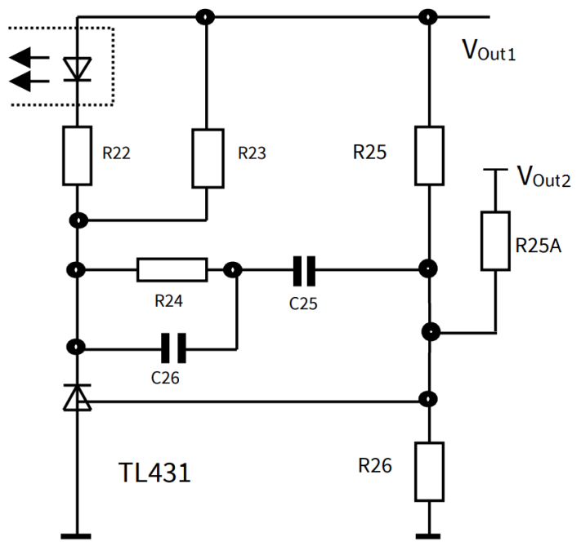

 | Output regulation
 | Input | TL431 reference voltage |  | VREF_TL | [V] | 2.5
 | Input | Weighted regulation factor of VOut1 |  | W1 |  | 0.9
 | Input | Current for voltage divider resistor R26 |  | IR26 | [mA] | 0.25
 | result | Calculated voltage divider resistor | Eq 111 | R26Cal | [kΩ] | 10
 | Input | Selec voltage divider resistor value |  | R26 | [kΩ] | 10
 | result | Calculated voltage divider resistor | Eq 112 | R25Cal | [kΩ] | 55.56
 | Input | Selec voltage divider resistor value |  | R25 | [kΩ] | 56.0
 | result | Calculated voltage divider resistor | Eq 113 | R25ACal | [kΩ] | 93.33
 | Input | Selec voltage divider resistor value |  | R25A | [kΩ] | 93

 | Optocoupler and TL431 bias
 | Input | Current transfer ratio (CTR) |  | GC | [%] | 200%
 | Input | Optocoupler diode forward voltage |  | VFOpto | [V] | 1.25
 | Input | Maximum current for optocoupler diode |  | IFmax | [mA] | 50
 | Input | Minimum current for TL431 |  | IKAmin | [mA] | 1
 | result | Calculated minimum optocoupler bias resistance | Eq 114 | R22Cal | [kΩ] | 0.2250
 | Input | Select optocoupler bias resistor |  | R22 | [kΩ] | 0.82
 | Input | FB pull up reference voltage VREF from datasheet |  | VREF | [V] | 3.3
 | Input | VFB_OLP from datasheet |  | VFB_OLP | [V] | 2.75
 | Input | RFB from datasheet |  | RFB | [kΩ] | 15
 | result | Calculated maximum TL431 bias resistance | Eq 115 | R23Cal | [kΩ] | 1.27
 | Input | selected TL431 bias resistor |  | R23 | [kΩ] | 1.2

 | Regulation loop
 | result | Feedback transfer characteristic | Eq 116 | KFB |  | 36.59
 | result | Gain of feedback transfer characteristic | Eq 117 | GFB | [db] | 31.27
 | result | Voltage divider transfer characteristic | Eq 118 | KVD |  | 0.166667
 | result | Gain of voltage divider transfer characteristic | Eq 119 | GVD | [db] | -15.56
 | result | Resistance at maximum load pole | Eq 120 | RLH | [Ω] | 13.24
 | result | Resistance at minimum load pole | Eq 121 | RLL | [Ω] | 112.50
 | result | Poles of power stage at maximum load pole | Eq 122 | fOH | [Hz] | 35.37
 | result | Poles of power stage at minimum load pole | Eq 123 | fOL | [Hz] | 4.16
 | result | Zero frequency of the compensation network | Eq 124 | fOM | [Hz] | 12.13
 | Input | Zero dB crossover frequency |  | fg | [kHz] | 3
 | Input | PWM-OP Gain from datasheet |  | AV |  | 2.03
 | result | Transient impedance | Eq 117 | ZPWM | [V/A] | 2.4
 | result | Power stage at crossover frequency | Eq 118 | |FPWR(fg)| |  | 0.087
 | result | Gain of power stage at crossover frequency | Eq 119 | GPWR(fg) | [db] | -21.20
 | result | Gain of the regulation loop at fg | Eq 120 | Gs(ω) | [db] | -5.496
 | result | Separated components of the regulator | Eq 121 | Gr(ω) | [db] | 5.496
 | result | Calculated resistance value of compensation network | Eq 122 | R24Cal | [kΩ] | 15.97
 | Input | Select resistor value of compesation network |  | R24 | [kΩ] | 16
 | result | Calculated capacitance value of compensation network | Eq 123 | C26Cal | [nF] | 3.316
 | Input | Select capacitor value of compesation network |  | C26 | [nF] | 3.3
 | result | Calculated capacitance value of compensation network | Eq 124 | C25Cal | [nF] | 816.68
 | Input | Select capacitor value of compesation network |  | C25 | [nF] | 820

Output regulation (non-isolated)
 | Non-isolated feedback circuit on VERR pin
 | 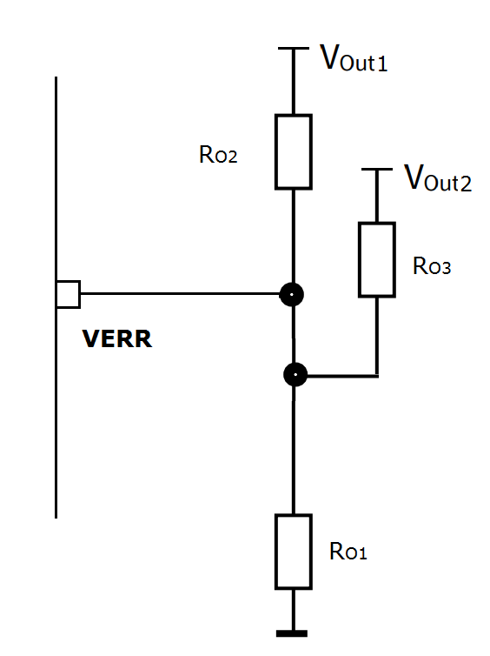

 | Output regulation
 | Input | Error amplifier reference voltage |  | VERR_REF | [V] | 1.8
 | Input | Weighted regulation factor of VOut1 |  | W1 | % | 31%
 | Input | Select voltage divider RO1 (R11) |  | RO1 | [kΩ] | 39
 | result | Calculated voltage divider RO2 | Eq 125 | RO2Cal | [kΩ] | 922.58
 | Input | Select voltage divider RO2 (R153) |  | RO2 | [kΩ] | 910.0
 | result | Calculated voltage divider RO3 | Eq 126 | RO3Cal | [kΩ] | 101.11
 | Input | Select voltage divider RO3 (R103) |  | RO3 | [kΩ] | 100

Final Design
 | Electrical
 |  | Minimum AC Voltage |  |  | [V] | 85
 |  | Maximum AC Voltage |  |  | [V] | 330
 |  | Maximum Input Current |  |  | [A] | 0.24
 |  | Minimum DC Voltage |  |  | [V] | 94
 |  | Maximum DC Voltage |  |  | [V] | 467
 |  | Maximum Output Power |  |  | [W] | 17.0
 |  | Output Voltage 1 |  |  | [V] | 15.0
 |  | Output Ripple Voltage 1 |  |  | [mV] | 0.3
 |  | Output Voltage 2 |  |  | [V] | 5.0
 |  | Output Ripple Voltage 2 |  |  | [mV] | 0.3
 |  | Transformer Peak Current |  |  | [A] | 0.86
 |  | Maximum Duty Cycle |  |  |  | 0.52
 |  | Reflected Voltage |  |  | [V] | 101
 |  | Copper Losses |  |  | [W] | 0.27
 |  | MOSFET Losses |  |  | [W] | 1.09
 |  | Sum Losses |  |  | [W] | 4.53
 |  | Efficiency |  |  | [%] | 78.97%

 | Transformer
 |  | Core Type |  |  |  | EE20/10/6
 |  | Core Material |  |  |  | TP4A(TDG)
 |  | Effective Core Area |  |  | [mm2] | 32
 |  | Maximum Flux Density |  |  | [mT] | 191
 |  | Inductance |  |  | [uH] | 557
 |  | Margin |  |  | [mm] | 0
 |  | Primary Turns |  |  | turns | 78
 |  | Primary Copper Wire Size |  |  | AWG | 30
 |  | Number of Primary Copper Wire in Parallel |  |  |  | 1
 |  | Primary Layers |  |  | layer | 2
 |  | Secondary 1 Turns(NS1) |  |  | turns | 12
 |  | Secondary 1 Copper Wire Size |  |  | AWG | 26
 |  | Number of Secondary 1 Copper Wire in Parallel |  |  |  | 2
 |  | Secondary 1 Layers |  |  | layer | 1
 |  | Secondary 2 Turns(NS2) |  |  | turns | 4
 |  | Secondary 2 Copper Wire Size |  |  | AWG | 26
 |  | Number of Secondary 2 Copper Wire in Parallel |  |  |  | 1
 |  | Secondary 2 Layers |  |  | layer | 1
 |  | Auxiliary Turns |  |  | turns | 11
 |  | Leakage Inductance |  |  | [uH] | 13.9

 | Components
 |  | Input Capacitor (C1) |  |  | [uF] | 47.0
 |  | Secondary 1 Output Capacitor (C152) |  |  | [uF] | 680.0
 |  | Secondary 1 Output Capacitor in Parallel |  |  |  | 1.0
 |  | Secondary 1 LC Filter Inductor (L151) |  |  | [uH] | 2.2
 |  | Secondary 1 LC Filter Capacitor (C153) |  |  | [uF] | 680.0
 |  | Secondary 2 Output Capacitor (C102) |  |  | [uF] | 680.0
 |  | Secondary 2 Output Capacitor in Parallel |  |  |  | 1.0
 |  | Secondary 2 LC Filter Inductor (L101) |  |  | [uH] | 2.2
 |  | Secondary 2 LC Filter Capacitor (C103) |  |  | [uF] | 330.0
 |  | VCC Capacitor (C3) |  |  | [uF] | 22.0
 |  | Sense Resistor (R8A, R8B) |  |  | [Ω] | 0.93
 |  | Clamping Resistor (R4) |  |  | [kΩ] | 68.0
 |  | Clamping Capacitor (C2) |  |  | [nF] | 1

 | Regulation components (isolated using TL431 and optocoupler)
 |  | Voltage divider |  | R26 | [kΩ] | 10.0
 |  | Voltage divider (Vout1 sense) |  | R25 | [kΩ] | 56.0
 |  | Voltage divider (Vout2 sense) |  | R25A | [kΩ] | 93.0
 |  | Optocoupler bias resistor |  | R22 | [kΩ] | 0.82
 |  | TL431 bias resistor |  | R23 | [kΩ] | 1.2
 |  | Compensation network resistor |  | R24 | [kΩ] | 16.0
 |  | Compensation network capacitor |  | C26 | [nF] | 3.30
 |  | Compensation network capacitor |  | C25 | [nF] | 820.0

 | Regulation components (non-isolated)
 |  | Voltage divider (R11) |  | RO1 | [kΩ] | 39.0
 |  | Voltage divider (Vout1 sense) (R153) |  | RO2 | [kΩ] | 910.0
 |  | Voltage divider (Vout2 sense) (R103) |  | RO3 | [kΩ] | 100.0

Design example (dual non-iso)
Design example for dual output non-isolated design using integrated amplifier (VERR pin)

Attention: Voltage/current rating (in RED font) does not include design margin, voltage spikes and transient currents.

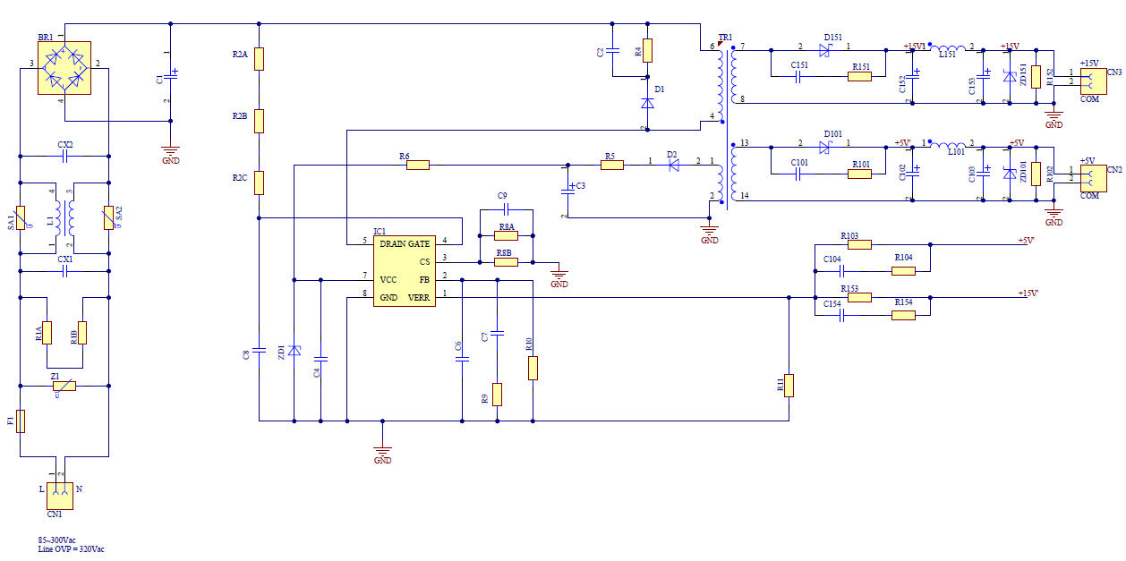

No. | Designator | Value/ Part Name | Unit | Voltage | [ARMS] | Watt
1 | F1 |  |  | 300Vac | 0.40
2 | Z1 | ERZE07A511
3 | BR1 |  |  | 600V | 0.40 | 0.80
4 | CX1 | 0.15 | uF | 305Vac
5 | CX2 | nc
6 | C1 | 47 | uF | 466.69
7 | C2 | 1 | nF | 630V
8 | C3 | 22 | uF | 50V
9 | C4 | 0.1 | uF | 50V
10 | C5 | 1000 | pF | 50V
11 | C6 | 4700 | pF | 50V
12 | C7 | 15 | pF | 50V
13 | C101 | nc
14 | C102 | 680 | uF | 10V
15 | C103 | 330 | uF | 10V
16 | C104 | 4700 | pF | 50V
17 | C151 | nc
18 | C152 | 680 | uF | 25V
19 | C153 | 680 | uF | 25V
20 | C154 | 1000 | pF | 50V
21 | ZD1 |  |  | 22V |  | 500mW
22 | ZD101 | nc
23 | ZD151 | nc
24 | D1 |  |  | 800V | 1A
25 | D2 |  |  | 79.52 | 0.2A
26 | D101 |  |  | 28.93 | 0.92
27 | D151 |  |  | 86.80 | 1.90
28 | IC1 | ICE5AR4780BZS
29 | L1 | 39 | mH |  | 0.40
30 | L101 | 2.2 | uH |  | 0.83
31 | L151 | 2.2 | uH |  | 0.40
32 | R1A, R1B | 3 | MΩ | 250V
33 | R2A, R2B, R2C | 15 | MΩ | 200V
34 | R4 | 68 | kΩ | 500V |  | 0.91
35 | R5 | 4.7 | Ω
36 | R6 | 0 | Ω
37 | R8A, R8B | 1.87 | Ω |  |  | 0.06
38 | R9 | 260 | kΩ
39 | R10 | nc
40 | R11 | 39 | kΩ
41 | R101 | nc
42 | R102 | 11 | kΩ
43 | R103 | 100 | kΩ
44 | R104 | 4.7 | kΩ
45 | R151 | nc
46 | R152 | 15 | kΩ
47 | R153 | 910 | kΩ
48 | R154 | 33 | kΩ
49 | T1 | 557 | uH
50 | CN1 | connector
51 | CN2,CN3 | connector
52 | JP1-JP3 | Jumper
53 | PCB | 110mmX66mm (LXW), single layer, 2Oz., FR-4

Design example (dual iso)
Design example for dual output isolated design using optocoupler and TL431

Attention: Voltage/current rating (in RED font) does not include design margin, voltage spikes and transient currents.

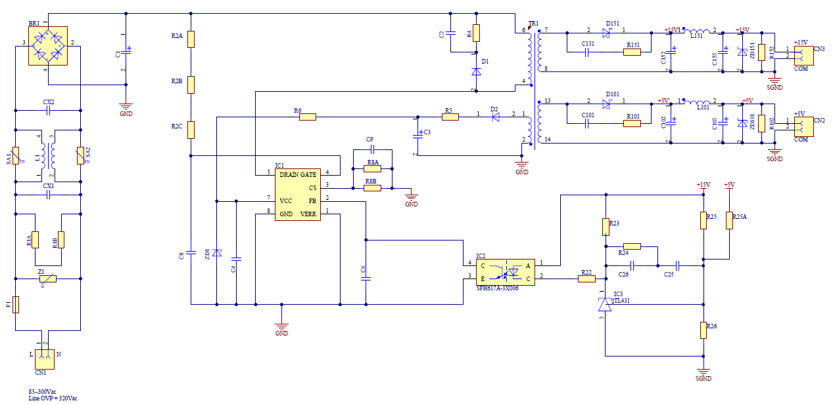

No. | Designator | Value/ Part Name | Unit | Voltage | [ARMS] | Watt
1 | F1 |  |  | 300Vac | 0.40
2 | Z1 | ERZE07A511
3 | BR1 |  |  | 600V | 0.40 | 0.80
4 | CX1 | 0.15 | uF | 305Vac
5 | CX2 | nc
6 | C1 | 47 | uF | 466.69
7 | C2 | 1 | nF | 630V
8 | C3 | 22 | uF | 50V
9 | C4 | 0.1 | uF | 50V
10 | C5 | 1000 | pF | 50V
11 | C6 | 1000 | pF | 50V
12 | C25 | 820.00 | nF | 50V
13 | C26 | 3.30 | nF | 50V
14 | C101 | nc
15 | C102 | 680 | uF | 10V
16 | C103 | 330 | uF | 10V
17 | C151 | nc
18 | C152 | 680 | uF | 25V
19 | C153 | 680 | uF | 25V
20 | ZD1 |  |  | 22V |  | 500mW
21 | ZD101 | nc
22 | ZD151 | nc
23 | D1 |  |  | 800V | 1A
24 | D2 |  |  | 79.52 | 0.2A
25 | D101 |  |  | 28.93 | 0.92
26 | D151 |  |  | 86.80 | 1.90
27 | IC1 | ICE5AR4780BZS
28 | IC2 | SFH617A-3
29 | IC3 | TL431
30 | L1 | 39 | mH |  | 0.40
31 | L101 | 2.2 | uH |  | 0.83
32 | L151 | 2.2 | uH |  | 0.40
33 | R1A, R1B | 3 | MΩ | 250V
34 | R2A, R2B, R2C | 15 | MΩ | 200V
35 | R4 | 68 | kΩ | 500V |  | 0.91
36 | R5 | 4.7 | Ω
37 | R6 | 0 | Ω
38 | R8A, R8B | 1.87 | Ω |  |  | 0.06
39 | R22 | 0.82 | kΩ
40 | R23 | 1.20 | kΩ
41 | R24 | 16.00 | kΩ
42 | R25 | 56.00 | kΩ
43 | R25A | 93.00 | kΩ
44 | R26 | 10.00 | kΩ
45 | R101 | nc
46 | R102 | 11 | kΩ
47 | R151 | nc
48 | R152 | 15 | kΩ
49 | T1 | 557 | uH
50 | CN1 | connector
51 | CN2,CN3 | connector
52 | JP1-JP3 | Jumper
53 | PCB | 110mmX66mm (LXW), single layer, 2Oz., FR-4

